Sheet1
200.22

 | Metrics | 9 | Metrics
 | Infrastructure Integrations | 13 | Metrics
 | APM events | 7 | Traces
 | Logging | 124 | Logs
 | Tracing | 18 | Traces
 | Infrastructure Hosts | 1 | Metrics
 | Infrastrucure Processes | 1 | Metrics
 | Custom events | 1 | Logs
 | Serverless | 0 | Logs
 | Browser events | 0 | RUM

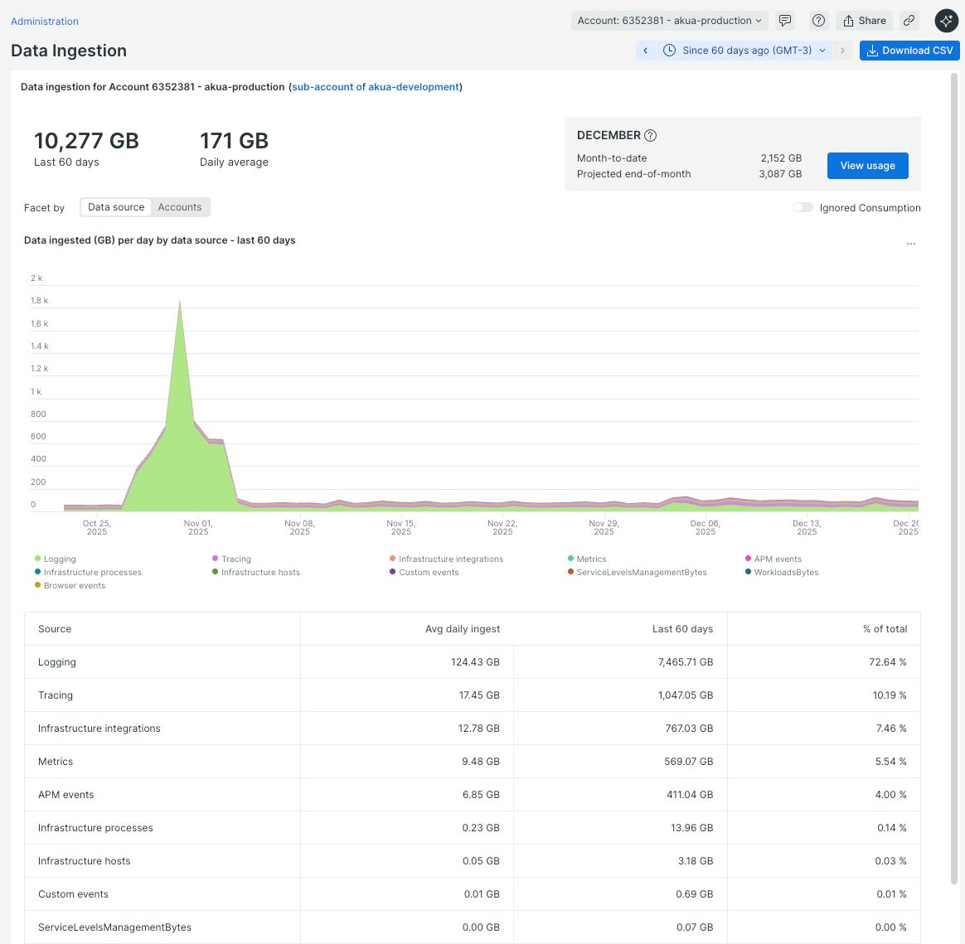
 | Logs | 125
 | Metrics | 24 | 24,000 | <- numseries
 | Traces | 25
 | RUM | 0

